WeeklyVolumeChart Incoming
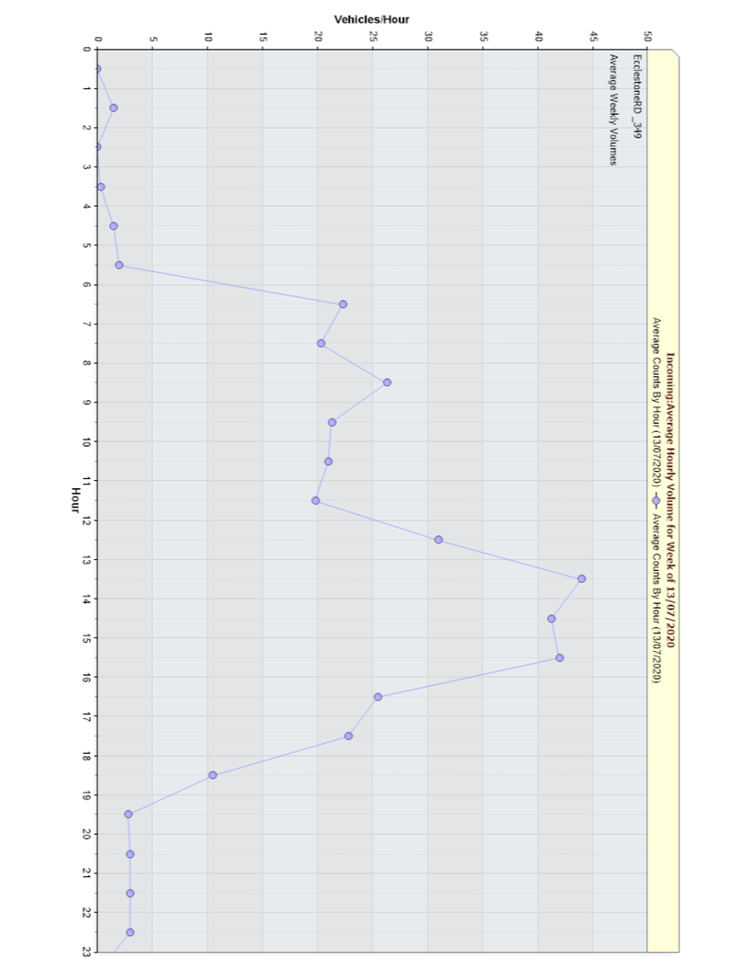

WeeklySpeedChart Incoming
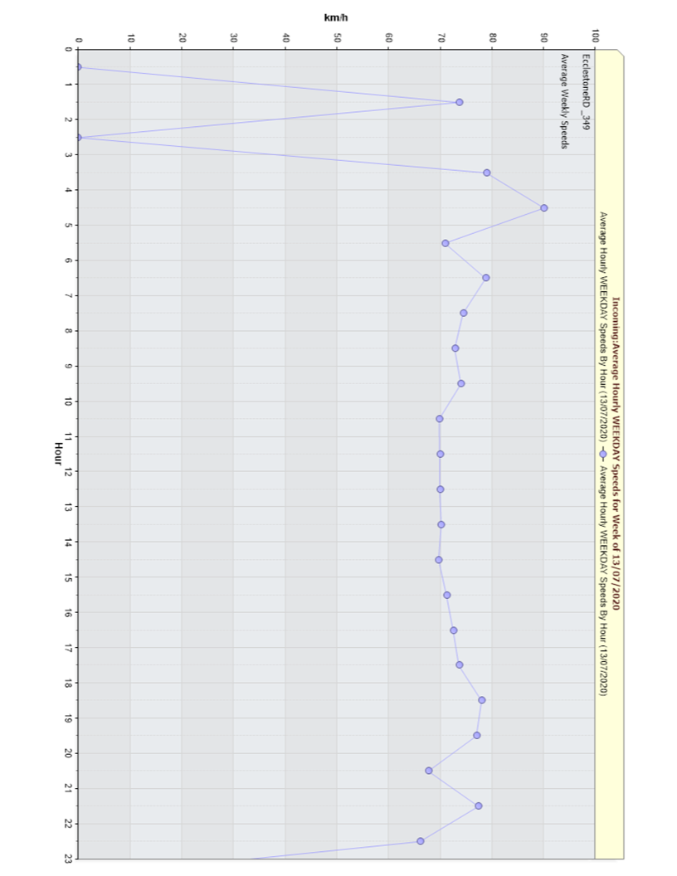

DailyVolumeChart Incoming
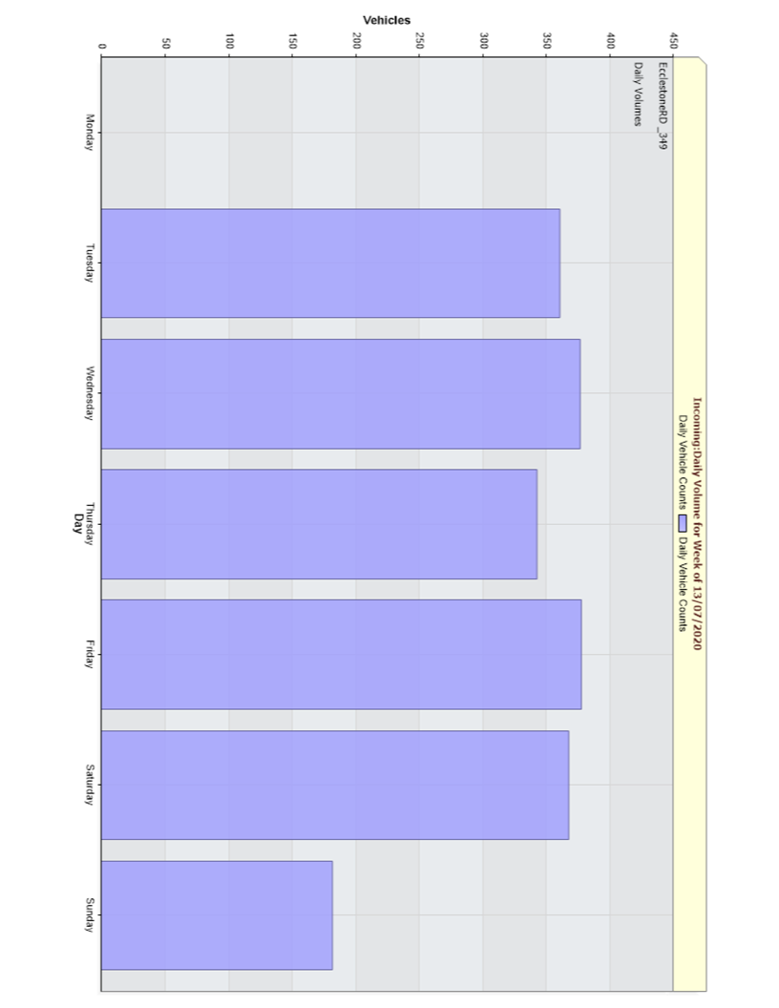

SpeedScatter Incoming
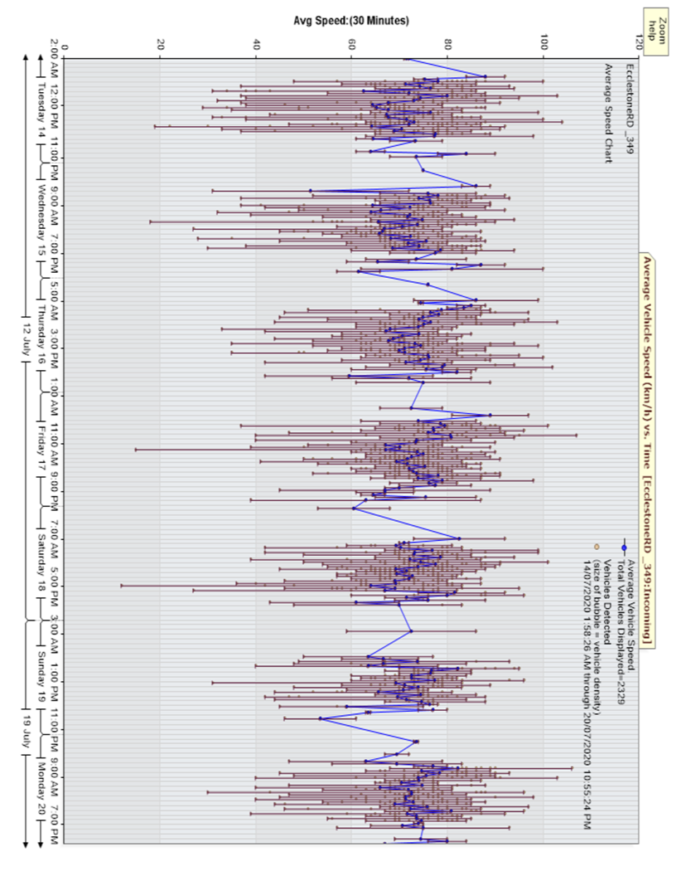

CountScatter Incoming
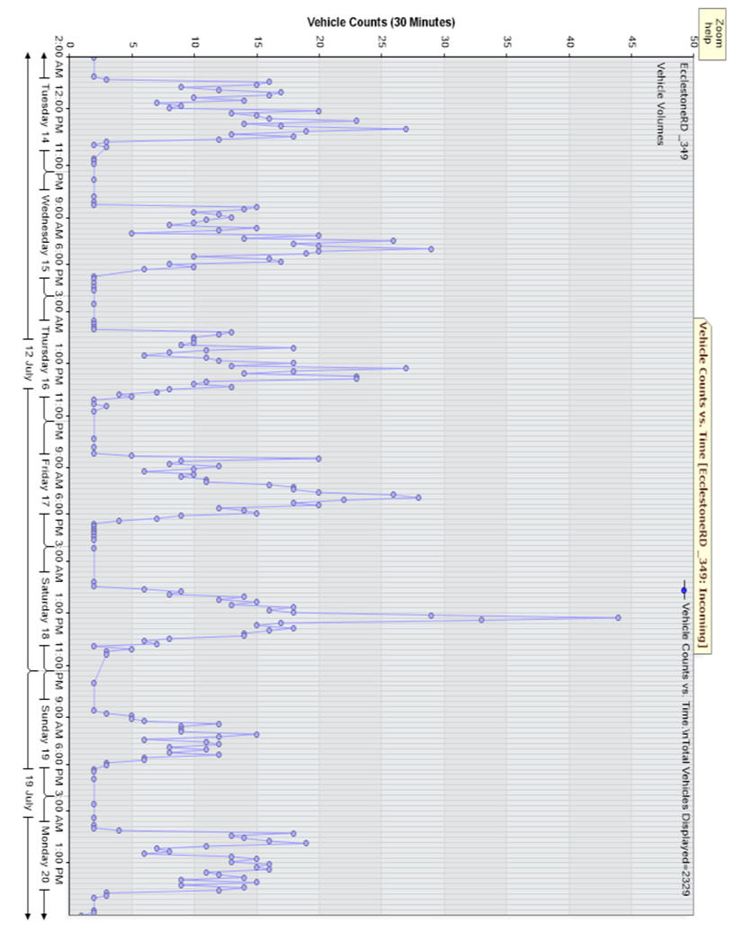

VolumeBySpeedHistogram Incoming
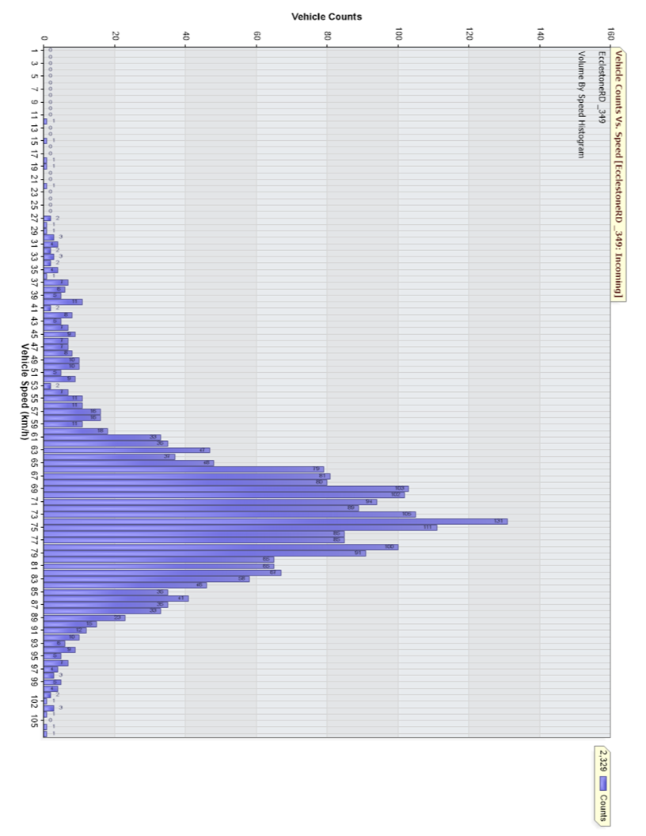

PercentileSpeed Incoming
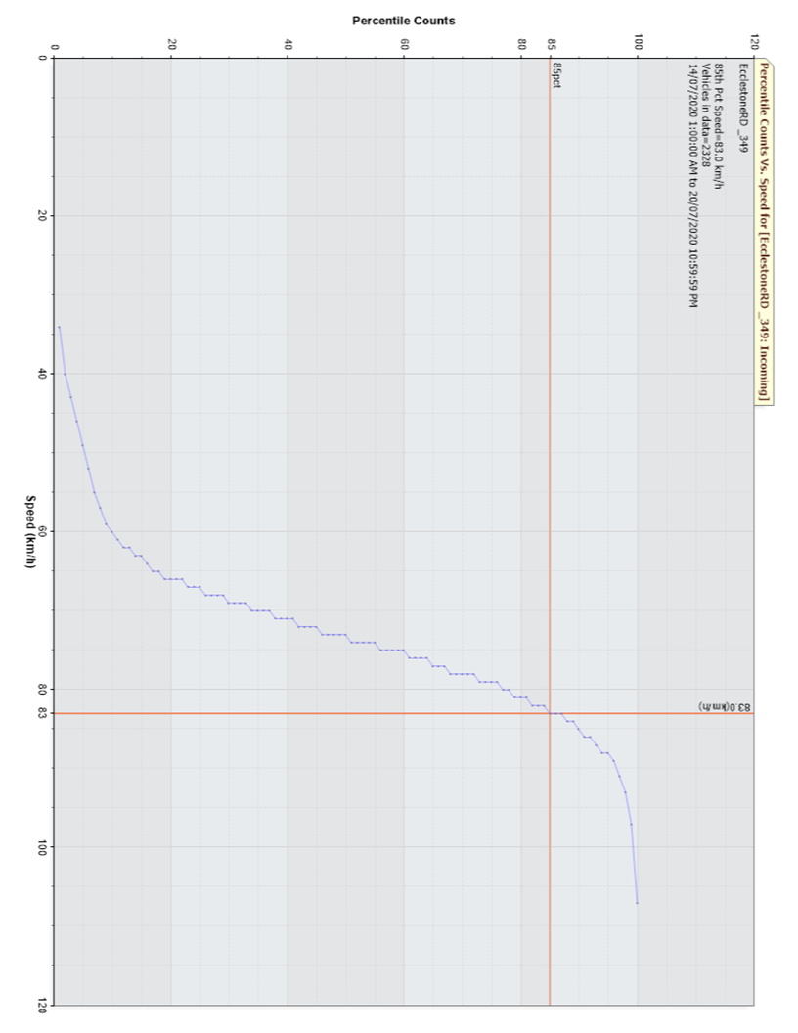

Vin Ambinent Temp Incoming
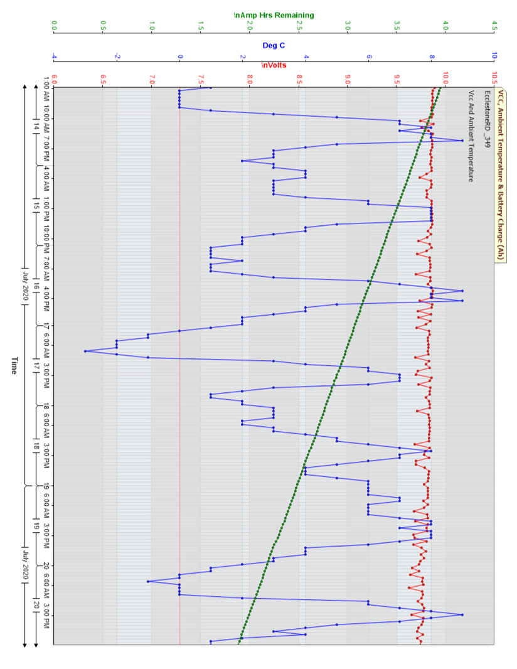

GPS Location Incoming
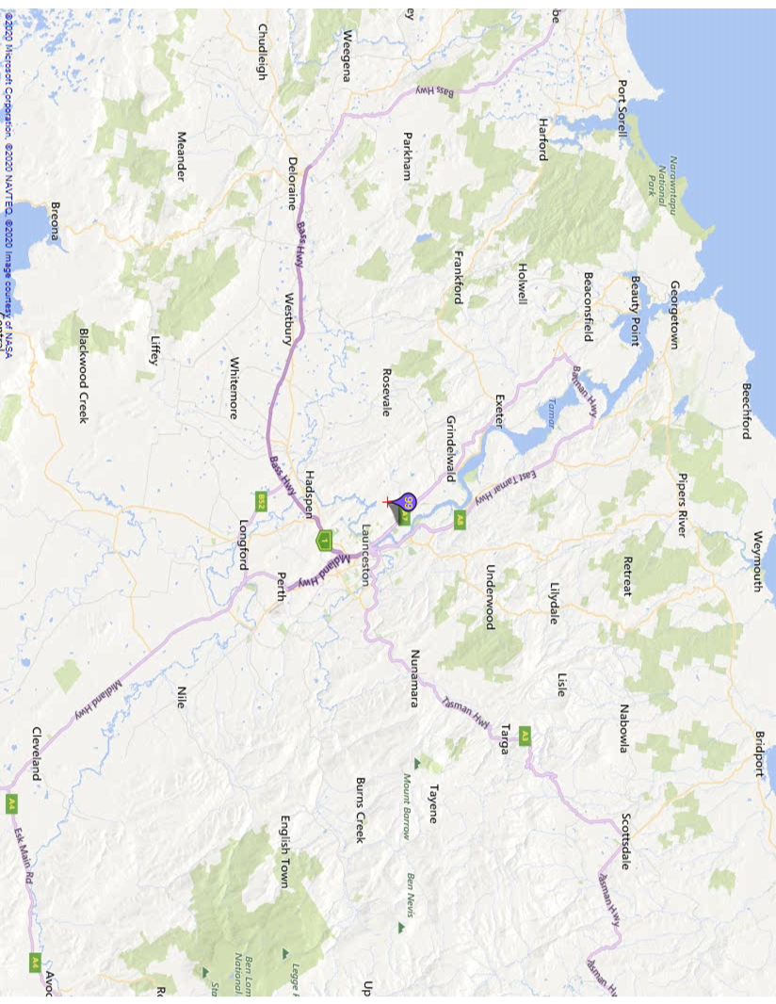

WeeklyVolumeChart Outgoing
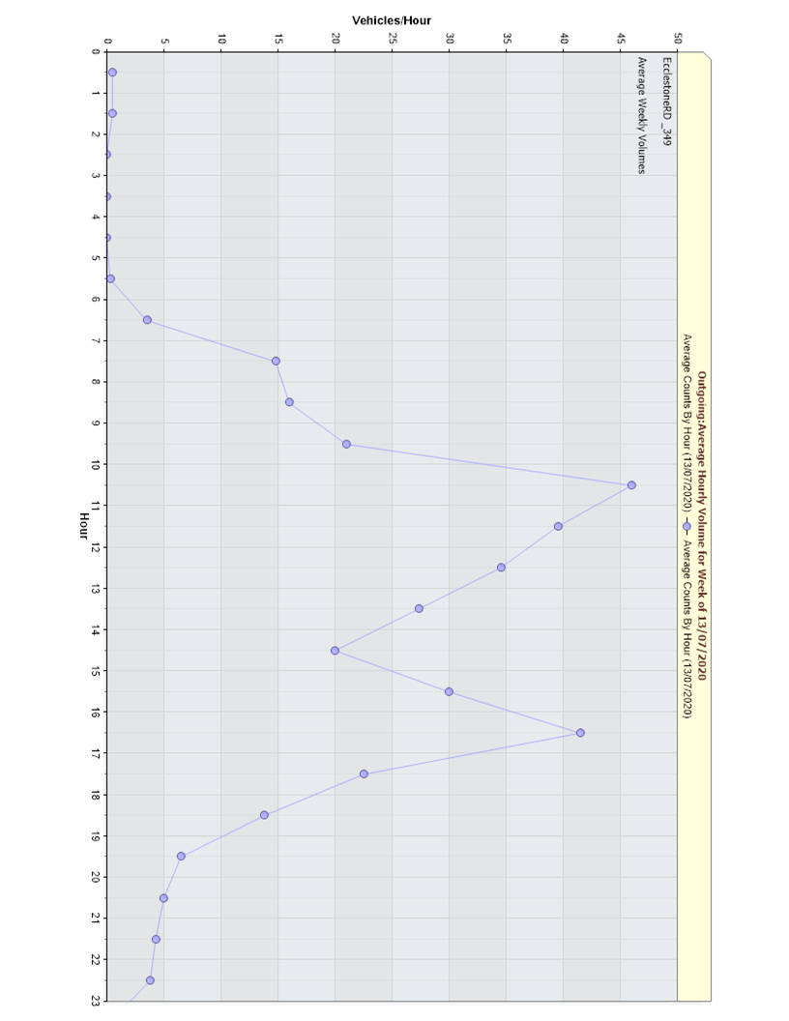

WeeklySpeedChart Outgoing
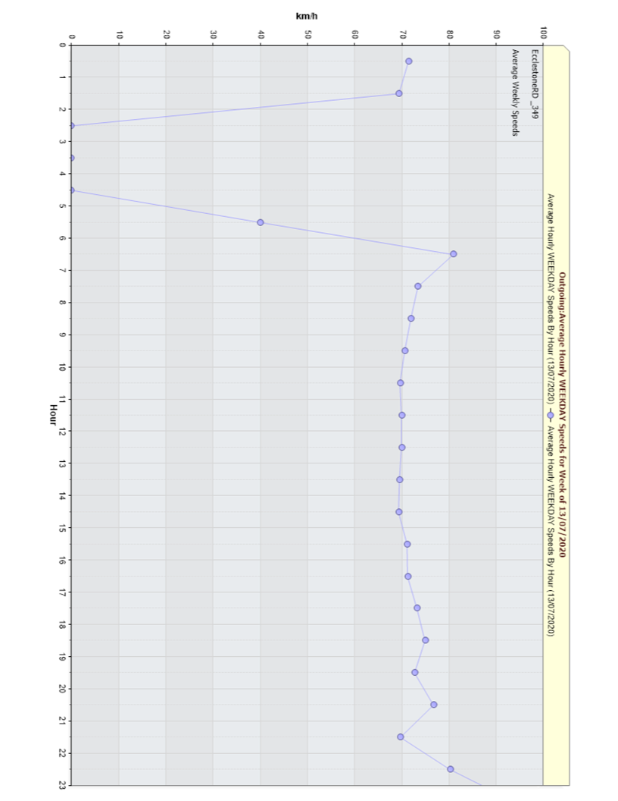

DailyVolumeChart Outgoing
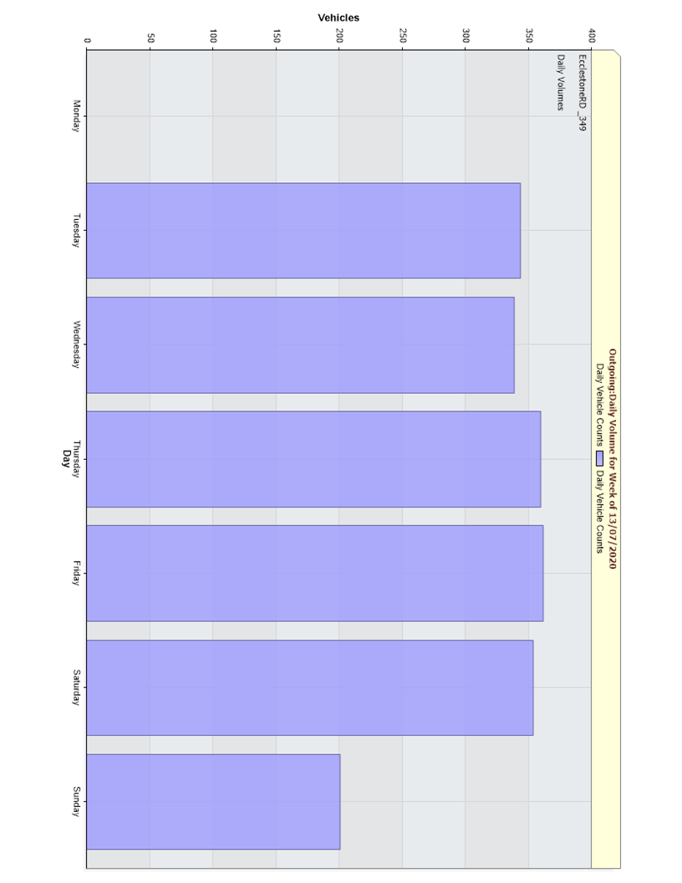

SpeedScatter Outgoing
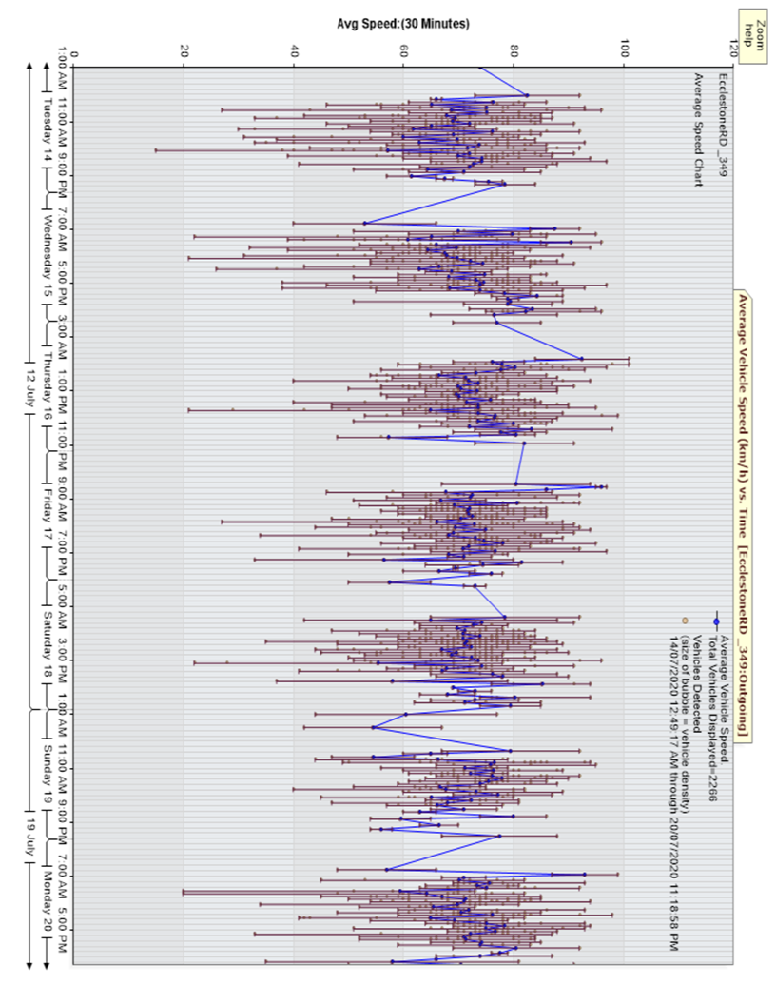

CountScatter Outgoing
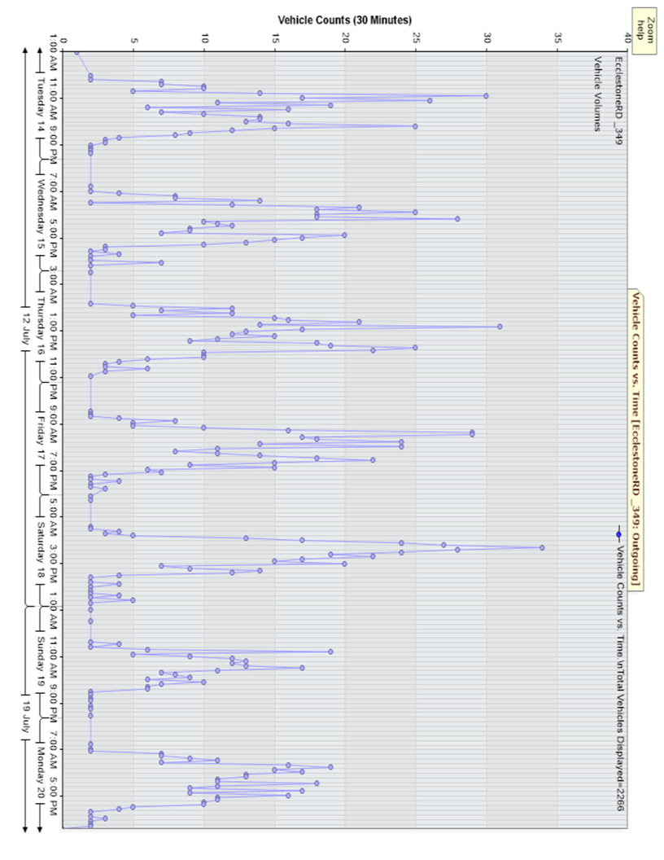

VolumeBySpeedHistogram Outgoing
